Cover
Turkish Athletic Federastion



 | 
European Champion Clubs Cup A

Event |  | European Champion Clubs Cup A
Country |  | Mersin-Turkey
Categories |  | Men
Date |  | 30-31 May 2015
Number of athletes: |  | 187
The Number of Team: |  | 8

Hammer Throw
Turkish Athletic Federation
European Champion Clubs Cup A
Event: |  | Hammer Throw |  |  |  |  |  |  | Date-Tarih : |  | 30 May 2015 Saturday
Category: |  | Men |  |  |  |  |  |  | Time-Saat : |  | 17:30:00
 |  |  |  |  |  |  |  | WR: | Sedykh Yuriy URS |  |  | 8674
 |  |  |  |  |  |  |  | ER: | Sedykh Yuriy URS |  |  | 8674
 |  |  |  |  |  |  |  | CR: | Weis Heinz FRG |  |  | 8022
RANK | BIB | NAME SURNAME | DOB | NAT-CLUB | Attempt |  |  |  | RESULT | POINT | PB/SB
 |  |  |  |  | 1 | 2 | 3 | 4
1 | 321 | Melich Lukáš | 1980-09-16 | CZE-TJ Dukla Praha | 6922 | 7538 | 7355 | X | 7538 | 8.0 | SB
2 | 207 | Silva António Vital e | 1988-01-23 | POR-Sport Lisboa e Benfica | 6410 | 6838 | X | X | 6838 | 7.0 | PB
3 | 233 | Vizzoni Nicola | 1973-01-04 | ITA-Fiamme Gialle | 6741 | 6811 | 6633 | X | 6811 | 6.0
4 | 255 | Smith Alex | 1988-03-06 | GBR-City of Manchester | 6588 | X | X | 6626 | 6626 | 5.0
5 | 155 | Yavuz Tolgahan | 1995-08-10 | TUR-Enka | 6111 | 6252 | 6224 | 6317 | 6317 | 4.0 | PB
6 | 273 | Arreaga Kevin | 1995-10-23 | 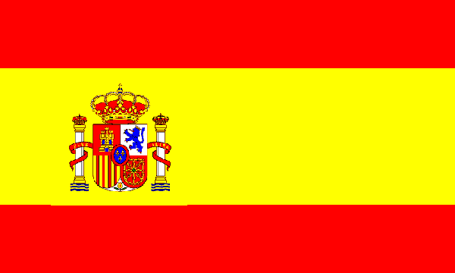 ESP-Playas de Castellon | 6237 | 6176 | 6064 | X | 6237 | 3.0
7 | 303 | Groves Jonathan | 1993-05-07 | DEN-Sparta AM | 5099 | X | 5350 | 5469 | 5469 | 2.0 | PB
8 | 184 | Kranjc Matija | 1984-06-12 | 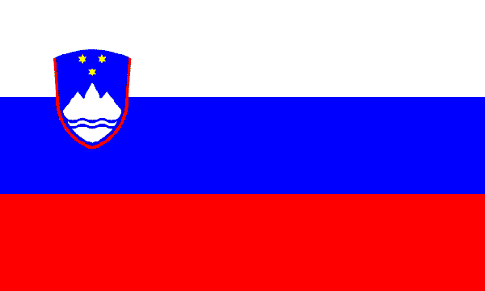 SLO-AD Mass Ljubljana | 2112 | - | - | - | 2112 | 1.0

